Summary
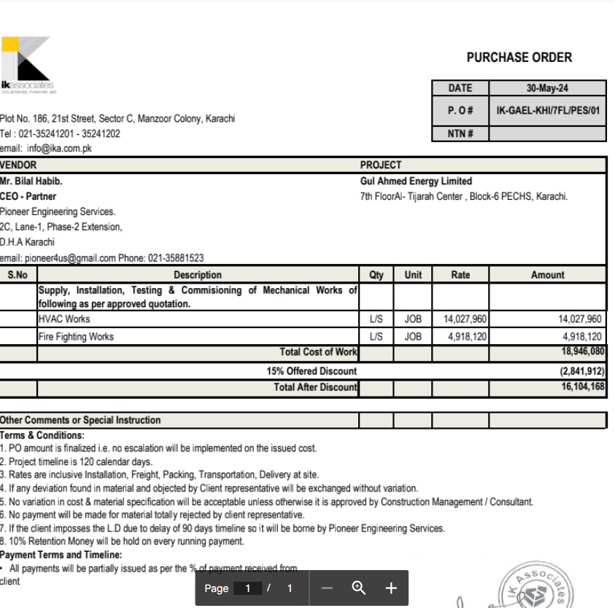

HVAC, Fire & Plumbing Work |  |  |  | 15-May-24

GUL AHMED ENERGY LIMITED
PHASE # 2 7TH FLOOR, AL-TIJARAH CENTER KARACHI

SUMMARY OF BILL OF QUANTITIES

S.No | Description | Material | Labour | Amount

1 | HVAC Work | - | - | -
2 | Fire Fighting | - | - | -
3 | Plumbing Works | - | -

 | Grand Total Amount | - | - | -

